Instructions
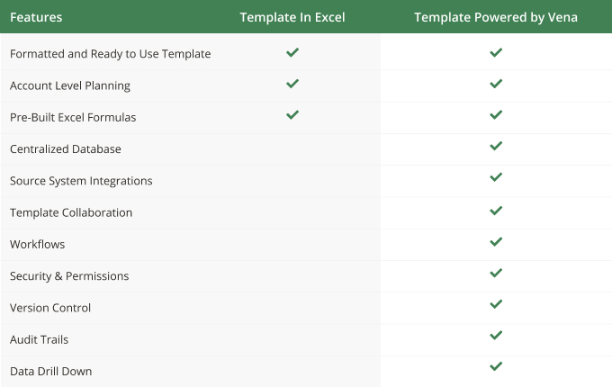
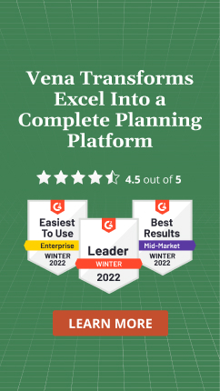
Instructions
Using Vena Excel Templates in 'Basic' Excel
What-If Modeling

Apply your own colors & branding
Go to 'Page Layout', then 'Themes' to select from other color formats and fonts.
Go to 'Home', then 'Cell styles' to reformat the appearance and colors of different included cell types.

Scenario Modeling
Set your desired target value for the scenario in the "Input" column
Select a driver and parameters to model different monthly planing scenarios

Scenario Analysis
Review variance metrics to evaluate and compare Budget values with What If scenario plan
Expand and collapse various sections to review monthly metrics

